MPS(input)
 |  |  |  |  |  |  |  |  |  | Monitoring Spreadsheet: JCM_TH_TVER-09-01_ver01.0
 |  |  |  |  |  |  |  |  |  | Reference Number:
Monitoring Plan Sheet (Input Sheet) [Attachment to Project Design Document]

Table 1: Parameters to be monitored ex post (Baseline Emissions)
 | 1.Data and parameters monitored from municipal solid waste management to replace landfills
 | (a) | (b) | (c) | (d) | (e) | (f) | (g) | (h) | (i) | (j)
 | Monitoring point No. | Parameters | Description of data | Estimated Values | Units | Monitoring option | Source of data | Measurement methods and procedures | Monitoring frequency | Other comments

 | (1) | CODavailable,m | Quantity of chemical oxygen demand available for degradation in the anaerobic lagoon or sludge pit in month m | #DIV/0! | tCOD | Option C | Project developer's measurement report | Analyzed according to the latest Standard Method. The results are reported as a monthly average.(b) the amount of electricity of the project power plants purchased from the grid. | N/A | N/A
 | (2) | CODAD,m | Chemical oxygen demand in the wastewater or sludge that is treated in the anaerobic digester or under clearly aerobic conditions in the project activity in month m | #DIV/0! | tCOD / m³ | Option A | Project developer's measurement report | Measure the COD according to national or international standards. If COD is measured more than once per month, the average value of the measurements should be used | N/A | N/A
 | (3) | CODout,x | COD of the effluent in the period x | #DIV/0! | tCOD | Option C | For existing plants: If there is no effluent: CODout,x = 0; If there is effluent: data are determined as follows; 1) One year of historical data should be used, or 2) If one year data is not available then x represents a measurementCampaign of at least 10 days to the COD inflow (CODin,x) and COD outflow (CODout,x) from the lagoon or sludge pit. For greenfield projects: Use the design COD inflow for COD in and the design effluentCOD flow for COD outCorresponding to the design features of the lagoon system identified in the procedure for the selection of the baseline scenario | For the measurementCampaign of at least 10 days: The measurements should be undertaken during a period that is representative for the typical operation conditions of the plant and ambientConditions of the site (temperature) | N/A | N/A
 | (4) | CODin, x | COD directed to the anaerobic lagoons or sludge pits in the period x (tCOD) | #DIV/0! | tCOD | Option C | For existing plants: If there is no effluent: CODout,x = 0; If there is effluent: data are determined as follows; 1) One year of historical data should be used, or 2) If one year data is not available then x represents a measurementCampaign of at least 10 days to the COD inflow (CODin,x) and COD outflow (CODout,x) from the lagoon or sludge pit. For greenfield projects: Use the design COD inflow for COD in and the design effluentCOD flow for COD outCorresponding to the design features of the lagoon system identified in the procedure for the selection of the baseline scenario | For the measurementCampaign of at least 10 days: The measurements should be undertaken during a period that is representative for the typical operation conditions of the plant and ambientConditions of the site (temperature) | N/A | N/A
 | (5) | CODBL,m | Quantity of chemical oxygen demand that would be treated in anaerobic lagoons or sludge pits in the absence of the project activity in month m | #DIV/0! | tCOD/m3 | Option C | Project developer's measurement report | The analysis was carried out in accordance with the latest Standard Method continuously throughout the measurement period by reporting detailed data on a monthly basis | N/A | N/A
 | (6) | FPJ,AD,m | Quantity of wastewater or sludge that is treated in the anaerobic digester or under clearly aerobic conditions in the project activity in month m | #DIV/0! | m3 | Option C | Project developer's measurement report | - | Parameter monitored continuously but aggregated monthly and annually for calculations | N/A
 | (7) | T2,m | Average temperature at the project site in month m | #DIV/0! | K | Option A or C | Measurement in the project site, or national or regional weather statistics | In case that project participants decide to measure temperature in the project site: The temperature sensor must be housed in a ventilated radiation shield to protect the sensor from thermal radiation | Continuously, aggregated in monthly average values | N/A
 | 2.Data and parameters monitored from emission from anaerobic digesters
 | (8) | Qbiogas,y | Amount of biogas collected at the digester outlet in year y | #DIV/0! | Nm3 biogas/year | Option C | - | The volumetric flow measurement should always refer to the actual pressure and temperature. Instruments with recordable electronic signal (analogical or digital) are required | Continuously measurement by the flow meter. Data to be aggregated monthly and yearly | N/A

Table 2: Parameters to be monitored ex post (Project Emissions)
 | (a) | (b) | (c) | (d) | (e) | (f) | (g) | (h) | (i) | (j)
 | Monitoring point No. | Parameters | Description of data | Estimated Values | Units | Monitoring option | Source of data | Measurement methods and procedures | Monitoring frequency | Other comments

 | 1.Data and parameters monitored from municipal solid waste management to replace landfills
 | (9) | FFCOM,c,y | Combustion efficiency of combustor c in year y | #DIV/0! | fraction | Option A | The source of data shall be the following, in order of preference: 1. Project specific data; 2. Country specific data; or 3. IPCC default values | In case that project participants decide to measure temperature in the project site: The temperature sensor must be housed in a ventilated radiation shield to protect the sensor from thermal radiation | Annually | As per guidance from the Board, IPCC default values shall be used only when country or project specific data are not available or difficult to obtain
 | (10) | Qwaste,c,y | Quantity of fresh waste or RDF/SB fed into combustor c in year y | #DIV/0! | T | Option C | Project developer's measurement report | Measured with calibrated scales or load cells | Continuously, aggregated at least annually | Parameter required for procedure to calculate project emissions from combustion within the project boundary
 | (11) | SGc,y | Volume of stack gas from combustor c in year y | #DIV/0! | m3/yr | Option C | Project developer's measurement report | 1) The stack gas flow rate is directly measured. 2) calculated from other variables where direct monitoring is not feasible. 3) Where there are multiple stacks of the same type, then it is sufficient to monitor one stack of each type. 4) For the case that biogas is combusted, then the stack gas volume flow rate may be estimated by summing the inlet biogas and air flow rates and adjusting for stack temperature. 5) Direct measurement of the air inlet flow rate shall be made using a flow meter | Continuous or periodic (at least quarterly) | N/A
 | (12) | CN2O,SG,c,y | Concentration of N2O in stack gas from combustor c in year y | #DIV/0! | tN2O/Nm3 | Option C | Project developer's measurement report | - | At least every three months | N/A
 | (13) | CCH4,SG,c,y | Concentration of CH4 in stack gas from combustor c in year y | #DIV/0! | tN2O/Nm3 | Option C | Project developer's measurement report | - | At least every three months | More frequent sampling is encouraged
 | (14) | pn,j,y | Fraction of waste type j in the sample n collected during the year y | #DIV/0! | Weight fraction | Option C | Project developer's measurement report | - | At least every three months | N/A
 | (15) | QRDF_SB,COM,y | Quantity of RDF/SB exported off-site with potential to be combusted in year y | #DIV/0! | tonne/year | Option C | Project developer's measurement report | Sale invoices of the RDF/SB should be kept at the project site. They shall contain customer contact details, physical location of delivery, type, amount (in tons) and purpose of RDF/SB (use as fuel or as material in furniture, etc.). A list of customers and delivered SD amount shall be kept at the project site | Weekly | N/A
 | (16) | QRDF,SB,y | Quantity of RDF/SB produced in year y | #DIV/0! | tonne/year | Option C | Project developer's measurement report | Weighbridge | Annually | N/A
 | (17) | Qww,y | Amount of wastewater discharge generated by the project activity and treated anaerobically or released untreated from the project activity in year y | #DIV/0! | m3/year | Option C | Project developer's measurement report | Measured value by flow meter | Monthly, aggregated annually | If the wastewater is treated aerobically, emissions are assumed to be zero, and hence this parameter does notNeed to be monitored
 | (18) | PCOD,y | COD of the wastewater discharge generated by the project activity in year y | #DIV/0! | tCOD / m3 | Option C | Project developer's measurement report | Measured value by purity meter or COD meter | Monthly and averaged annually | If the wastewater discharge is treated aerobically, emissions are assumed to be zero, and hence this parameter does not need to be monitored
 | (19) | EFCO2,RDF_SB,y | Weighted average CO2 emission factor for RDF/SB in year y | #DIV/0! | tCO2 / GJ | Option C | 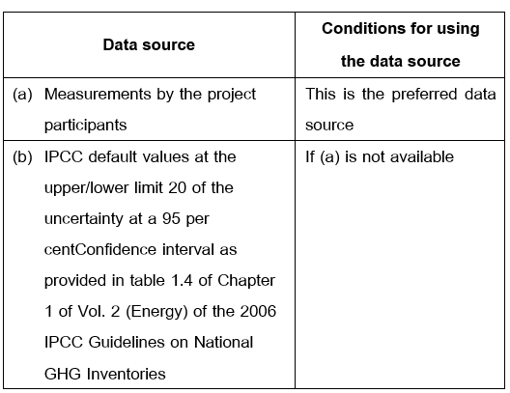 EFCO2,RDF_SB,y is zero for biomass residues, otherwise determine from one of the following sources: | For (a): Measurements shall be undertaken in line with national or international fuel standards | For (a): the CO2 emission factor shall be obtained for each shipment of RDF/SB exported from the project site for which there is documented evidence that it will be combusted, from which weighted average annual values shall be calculated. For (b): any future revision of the IPCC Guidelines shall be taken into account. | This parameter is required for the procedure to calculate leakage emissions for the combustion of RDF/SB outside the project boundary
 | (20) | NCVRDF_SB,y | Weighted average netCalorific value of RDF/SB in year y | #DIV/0! | GJ/mass or volume units | Option C | Project developer's measurement report | Measurement is not required for RDF/SB produced wholly from biomass residues, otherwise measurements shall be undertaken in line with national or international fuel standards | The NCV shall be obtained for each shipment of RDF/SB exported from the project site for which there is documented evidence that it will be combusted, from which weighted average annual values shall be calculated | This parameter is required for the procedure to calculate leakage emissions for the combustion of RDF/SB outside the project boundary
 | (21) | GWPCH4 | The global warming potential of methane | #DIV/0! | tCO2e/tCH4 | Option A | It uses data from the IPCC Assessment Report produced by the Intergovernmental Commission on Climate Change. (Intergovernmental Panel on Climate Change or IPCC announced by TGO. | For the preparation of project proposal documents - Use the latest GWPCH4 value as announced by TGO. For monitoring the results of reducing emissions - Use the value of GWPCH4 as announced by TGO. for estimating the amount of greenhouse gases according to the crediting period that has been certified for the amount of greenhouse gases. | N/A | N/A
 | (22) | GWPN2O | The global warming potential of nitrus oxide | #DIV/0! | tCO2e/tN2O | Option A | It uses data from the IPCC Assessment Report produced by the Intergovernmental Commission on Climate Change. (Intergovernmental Panel on Climate Change or IPCC announced by TGO. | For the preparation of project proposal documents - Use the latest GWPN2O value as announced by TGO. For monitoring the results of reducing emissions - Use the value of GWPN2O as announced by TGO. for estimating the amount of greenhouse gases according to the crediting period that has been certified for the amount of greenhouse gases. | N/A | N/A
 | 2.Data and parameters monitored from emission from electricity consumption
 | (23) | ECPJ,i,y | Amount of electricity consumption in the source of electricity j in years y | #DIV/0! | MWh/year | Option C | Project developer's measurement report | Measured by kWh Meter and continuously measured throughout the follow-up period. (Amount of electricity deducted from electricity generation for own use before being supplied to the transmission line) | Continuous monitoring and at least monthly recording | N/A
 | (24) | TDL | Average technical transmission and distribution losses for providing electricity to source j in year y | #DIV/0! | - | Option A or C | Option 1 Measurement Report In the case of information on the amount of electricity released from the producer and the amount of electricity received by the consumer Option 2 uses a Default Value of 0.03 (3%). | 1) If using Option 1, the project developer will have to monitor the value every year throughout the monitoring of greenhouse gas emissions reductions. 2) If using Option 2, the project developer must use this value throughout the monitoring of greenhouse gas emissions reductions. | Defined once in the first year of the credit period. | N/A
 | (25) | EFElec,y | Emission factor for electricity generation/consumption in year y | #DIV/0! | tCO2/MWh | Option A | Report on greenhouse gas emissions (Emission Factor) from electricity generation/consumption for projects and activities of greenhouse gas reduction published by TGO. | For the preparation of project proposal documents Use the latest EFElec,y announced by TGO For monitoring the results of reducing greenhouse gas emissions Use the EFElec,y values announced by TGO according to the year of the carbon creditCertification period. However, in the case that the year of the Carbon CreditCertification period does not have EFElec,y values announced by TGO, use the latest EFElec,y values announced by TGO in that year instead. | N/A | N/A
 | 3.Data and parameters monitored from emission from composting
 | (26) | CTt,y | Carrying capacity of each truck delivering waste to the composting installation in year y | 0.00 | t | Option C | - | The maximum carrying capacity as stated on the truck’s nameplate is registered by personnel at the entrance gate of the composting installation | Continuously | Applicable to Option 2 in the step “Determination of the quantity of waste composted” a) Option 2 from the step “Determination of the quantity of waste composted”; b) The highest value of the parameter for the same calendar period of the previous years These options are applicable for project activities or PoAs, where end users of the subsystems or measures are households/communities/small and medium enterprises (SMEs)
 | (27) | Qc | Quantity of waste composted in composting cycle c (wet basis) | #DIV/0! | t | Option C | - | Weighed using weighbridge or any other applicable and calibrated weighing device, e.g. belt-scales | Measure the weight of waste for every truck delivery and aggregate for the same composting cycle for which ECC CH4,c or ECCN2O,c is being | This is the specific amount of waste treated for the composting cycle c that emission measurements are made for (ECCCH4,c or ECCN2O,c) Applicable to Option 1 in the step “Determination of methane and nitrous oxide emissions from the composting process”b) The highest value of the parameter for the same calendar period of the previous years These options are applicable for project activities or PoAs, where end users of the subsystems or measures are households/communities/small and medium enterprises (SMEs)
 | (28) | ECCCH4,c | Methane emissions from the composting installation during the composting cycle c | #DIV/0! | tCH4 | Option C | - | Measurement procedures are specified for closed composting installations and non-closed composting installations: Closed composting installation. Choose between the following two options to measure emissions from a closed-composting system for composting cycle c: • Option 1: Measure methane and/or nitrous oxide concentrations, gas velocity, temperature and pressure in the exhaust pipe using appropriate analytical equipment (e.g. FID, IR, FTIR). Gas flow can be calculated from gas velocity and exhaust pipe diameter and has to be corrected for pressure and temperature. Methane and nitrous oxide emissions are obtained by integrating the product of gas flow and methane and nitrous oxide concentrations in the gas over the entire duration of the measurement (one composting cycle) • Option 2: Use the “Tool to determine the mass flow of a greenhouse gas in a gaseous stream”. When applying the tool, the following guidance is given: o The gaseous stream the tool shall be applied to is the exhaust gas from the closed composting installation. o CH4 and/or N2O are the greenhouse gases for which the mass flow should be determined; o Measure the gas flow hourly or at shorter intervals. o The simplification offered for calculating the molecular mass of the gaseous stream is valid (equations 3 or 17 in the tool) Non-closed composting installation (windrows) Measure emissions using a flux box. In a flux box measurement, the concentration increase of CH4 and/or N2O in the box is measured over time and the emission flux from the surface covered by the box is calculated (kilogram CH4 or N2O per square meter per hour). From the measurements made during the cycle, an overall emission flux value can be determined. Emissions during the composting cycle can then be calculated over the time of the composting cycle and the total surface area of the windrow (kg per windrow per hour). The measurements shall be conducted as follows: • Identify at least two measurement Cross sections (across the | Measure at least one composting cycle per climatic season, and at least two cycles in one climatic season. This means there are at least three measurements of ECCCH4,cc/ECCN2O,cc in each year in the case of two seasons | Applicable to Option 1 in the step “Determination of methane and nitrous oxide emissions from the composting process” These options are applicable for project activities or PoAs, where end users of the subsystems or measures are households/communities/small and medium enterprises (SMEs)
...

MPS(calc_process)
...
 | Quantity of chemical oxygen demand available for degradation in the anaerobic lagoon or sludge pit in month m |  | Waste | #DIV/0! | tCOD | CODavailable,m
 | Quantity of chemical oxygen demand that would be treated in anaerobic lagoons or sludge pits in the absence of the project activity in month m |  | Waste | #DIV/0! | tCOD | CODBL,m
 | Quantity of chemical oxygen demand that is treated in the anaerobic digester or under clearly aerobic conditions in the project activity in month m |  | Waste | #DIV/0! | tCOD | CODPJ,m
 | Quantity of wastewater or sludge that is treated in the anaerobic digester or under clearly aerobic conditions in the project activity in month m |  | Waste | #DIV/0! | m3 | FPJ,AD,m
 | Chemical oxygen demand in the wastewater or sludge that is treated in the anaerobic digester or under clearly aerobic conditions in the project activity in month m |  | Waste | #DIV/0! | m3 | CODAD,m
 | Factor expressing the influence of the temperature on the methane generation in month m-1 |  | Waste | 0.0 |  | fT,m-1
 | COD of the effluent in the period x (tCOD) |  | Waste | #DIV/0! | tCOD | CODout,x
 | COD directed to the open lagoons or in sludge pits in the period x |  | Waste | #DIV/0! | tCOD | CODin,x
 | Representative historical reference period |  | Waste | 0.0 |  | x
 |  | 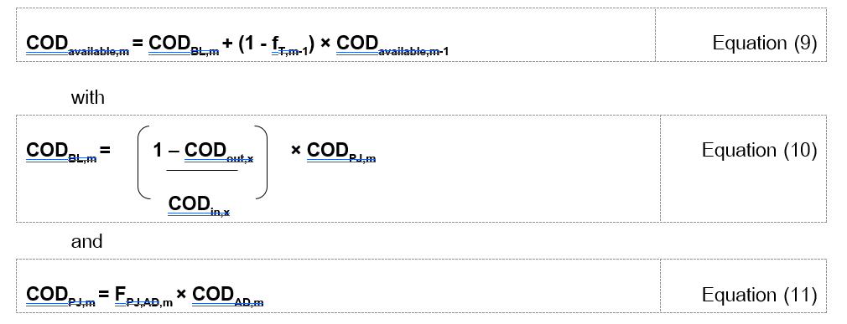
 | Factor expressing the influence of the temperature on the methane generation in month m |  | Waste | 0.0 | m3 | fT,m
 | Activation energy constant |  | Waste | 15175.0 | cal/mol | E
 | Average temperature at the project site in month m (K) |  | Waste | #DIV/0! |  | T2,m
 | 303.15 K (273.15 K + 30 K) |  | Waste | 303.2 | K | T1
 | Ideal gas constant |  | Waste | 1.986 | cal /K-mol | R
 | Months of year y of the crediting period |  | Waste | 0.0 |  | m

 | Factor expressing the influence of the temperature on the methane generation in year y |  | Waste | #DIV/0! |  | fT,y
 | Factor expressing the influence of the temperature on the methane generation in month m |  | Waste | 0.0 |  | fT,m
 | Quantity of chemical oxygen demand available for degradation in the anaerobic lagoon or sludge pit in month m |  | Waste | #DIV/0! | tCOD | CODavailable,m
...
4.1.1 Determination of project emissions of methane
 | Project emissions of methane from the composting process in year y |  | Waste | #DIV/0! | tCO2eq/year | PECH4,y
 | Quantity of waste composted in year y |  | Waste | 0.000 | t/year | Qy
 | Emission factor of methane per tonne of waste composted valid for year y |  | Waste | #DIV/0! | tCH4 / t | EFCH4,y
 | Global Warming Potential of CH4 |  | Waste | #DIV/0! | tCO2eq / tCH4 | GWPCH4

 | Quantity of waste composted in year y |  | Waste | 0.000 | t/year | Qy
 | Carrying capacity of truck t used in year y to deliver waste to the composting installation |  | Waste | 0.0000 | t | CTt,y
 | Waste deliveries in trucks to the composting installation in year y |  | Waste | 0.000 |  | t

 |  | 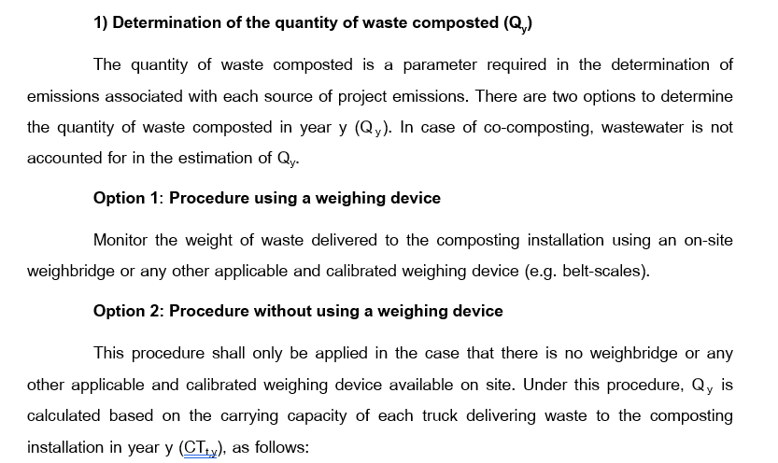

 | Emission factor of methane per tonne of waste composted valid for year y |  | Waste | #DIV/0! | tCH4 / t | EFCH4,y
 | Methane emissions from composting during the composting cycle c |  | Waste | 0.0 | tCH4 | ECCCH4,c
 | Quantity of waste composted in composting cycle c |  | Waste | #DIV/0! | t | Qc
 | Composting cycles for which measurements were undertaken |  | Waste | 0.0 |  | c
 | Number of composting cycles c for which emissions were measured in year y (at least three) |  | Waste | 0.0 |  | x

 | Emission factor of methane per tonne of waste composted valid for year y |  | Waste | 0.0020 | tCH4 / t | EFCH4,y
4.1.2 Determination of project emissions of nitrous oxide
...
 | 2) For cases with partial flaring/combustion of the methane
 | Methane conversion factor (fraction) |  | Waste | 0.0000 |  | MCFww
 | Global Warming Potential of CH4 |  | Waste | #DIV/0! | tCO2eq / tCH4 | GWPCH4
 | Emissions from flaring associated with wastewater discharge treatment in year y |  | Waste | 0.000 | tCO2eq/year | PEflare,ww,y
 | Amount of methane in the wastewater discharge treatment emissions which is sent to the flare/combustor in year y |  | Waste | 0.000 | tCH4/year | FCH4,flare,y

 | 3) For cases with complete flaring/combustion of the methane
 | Project emissions of methane from wastewater discharge associated with alternative waste treatment process t in year y |  | Waste | #DIV/0! | tCO2eq/year | PEww,t,y
 | Emissions from flaring associated with wastewater discharge treatment in year y |  | Waste | 0.000 | tCO2eq/year | PEflare,ww,y
 | Global Warming Potential of CH4 |  | Waste | #DIV/0! | tCO2eq / tCH4 | GWPCH4

 |  | 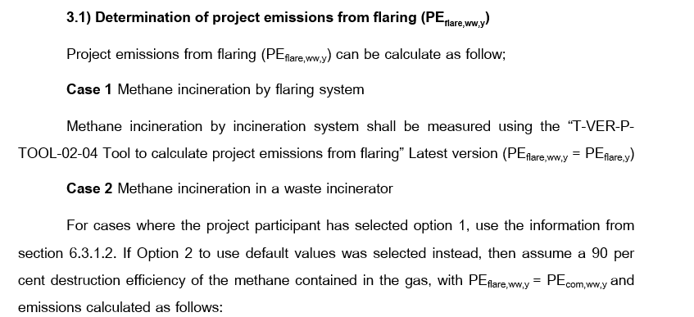
 | Emissions from combustion of methane generated from wastewater treatment in year y |  | Waste | 0.000 | tCO2eq/year | PECOM,ww,y
 | Amount of methane in the wastewater treatment gas that is sent to the flare/combustor in year y |  | Waste | 0.000 | tCO2eq/year | FCH4,flare,y | from T-VER-P-TOOL-02-04

4.4 Project emissions associated with mechanical or thermal production of RDF/SB
 | Project emissions associated with RDF/SB in year y |  | Waste | #DIV/0! | tCO2eq/year | PERDF_SB,y
 | Project emissions from combustion of fossil waste associated with combustion of RDF/SB within the project boundary in year y |  | Waste | #DIV/0! | tCO2eq/year | PECOM,RDF_SB,y
 | Project emissions from electricity consumption associated with RDF/SB (production and on-site combustion) in year y |  | Waste | 0.0000 | tCH4/year | PEww,RDF_SB,y

4.4.1 Project emissions associated with RDF/SB
 | Project emissions from combustion within the project boundary associated with combustor c in year y |  | Waste | #DIV/0! | tCO2eq/year | PECOM,C,y
...

